Sheet1
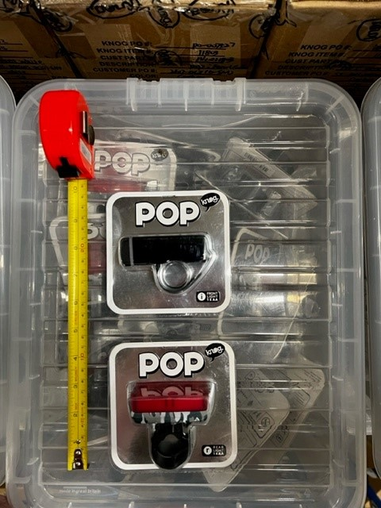
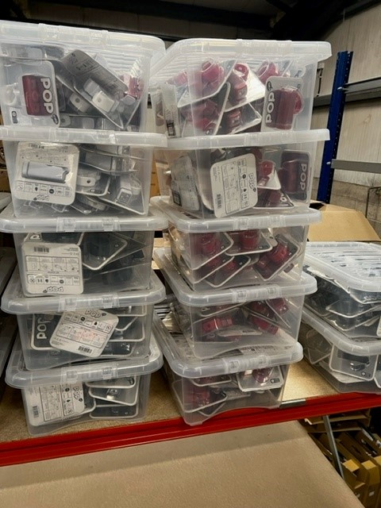
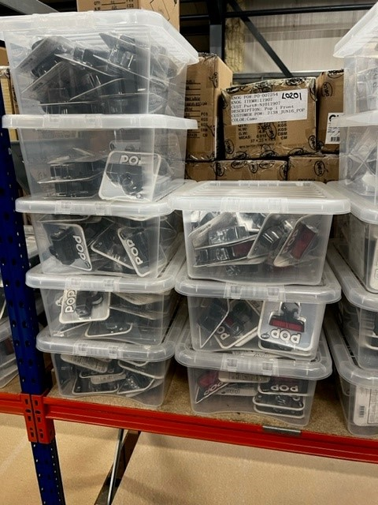
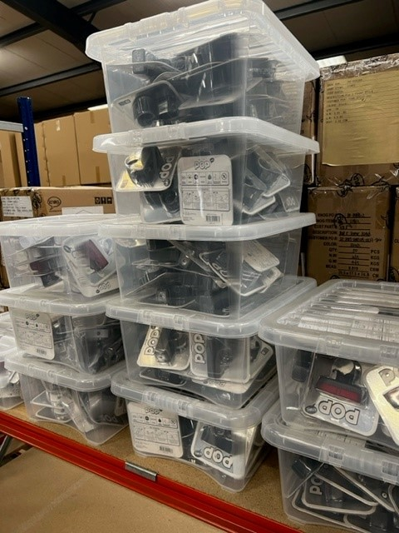
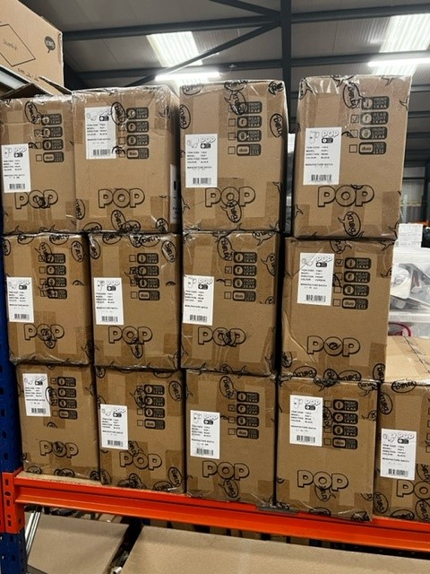
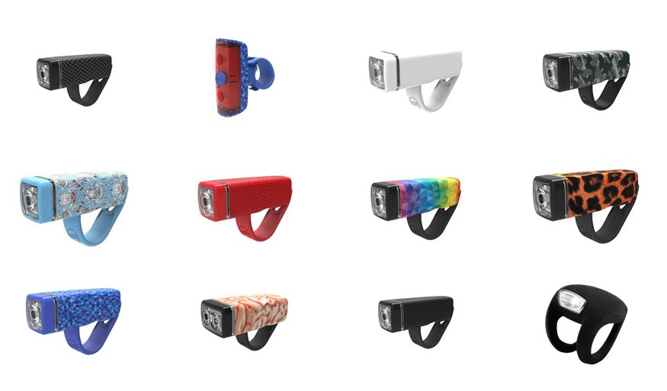
Category | Brand | Model | Colur/Size | Qty | RRP | Line RRP
Lights | Knog | Frog Strobe | Green Rear | 298 | £9.99 | £2,977.02
Lights | Knog | Frog Strobe | Black Front | 68 | £9.99 | £679.32
Lights | Knog | Frog Strobe | Rear Purple | 181 | £9.99 | £1,808.19
Lights | Knog | Frog Strobe | Black Rear | 152 | £9.99 | £1,518.48
Lights | Knog | Frog Strobe | Rear Pink | 85 | £9.99 | £849.15
Lights | Knog | Frog Strobe | Front Red | 79 | £9.99 | £789.21
Lights | Knog | Frog Strobe | Rear White | 54 | £9.99 | £539.46
Lights | Knog | Frog Strobe | Rear Translucent | 35 | £9.99 | £349.65

Lights | Knog | Pop | Rear Carbon | 1603 | £14.99 | £24,028.97
Lights | Knog | Pop | Rear Black | 25 | £14.99 | £374.75
Lights | Knog | Pop | Front Carbon | 1322 | £14.99 | £19,816.78
Lights | Knog | Pop | Front Black | 10 | £14.99 | £149.90
Lights | Knog | Pop | Front White | 44 | £14.99 | £659.56
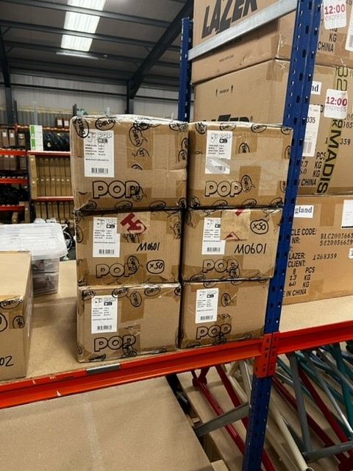
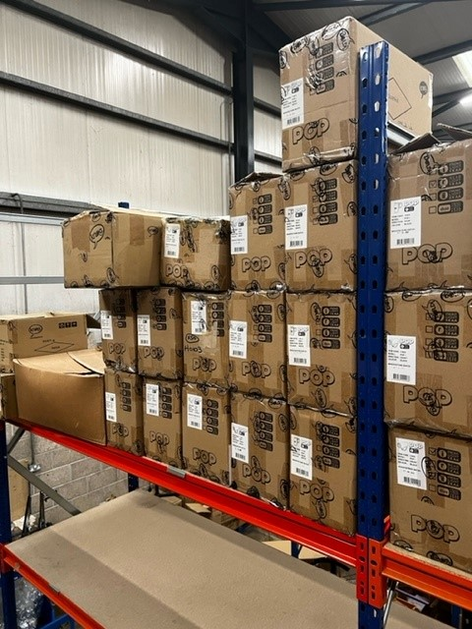
Lights | Knog | Pop | Rear Camo | 80 | £14.99 | £1,199.20
Lights | Knog | Pop | Front Red | 47 | £14.99 | £704.53
Lights | Knog | Pop | Front Camo | 39 | £14.99 | £584.61
Lights | Knog | Pop | Front Brain | 45 | £14.99 | £674.55
Lights | knog | Pop | Red Front | 42 | £14.99 | £629.58
Lights | Knog | Pop | Front Blue | 3 | £14.99 | £44.97
Lights | Knog | Pop | Rear Blue | 8 | £14.99 | £119.92
Lights | Knog | Pop | Rear White | 4 | £14.99 | £59.96
Lights | Knog | Pop | Rear Leopard | 12 | £14.99 | £179.88
Lights | Knog | Pop | Rear Red | 4 | £14.99 | £59.96
Lights | Knog | Pop | Front Leopard | 12 | £14.99 | £179.88
Lights | Knog | Pop | Rear Brain | 10 | £14.99 | £149.90
 |  |  |  | 4262 |  | £59,127.38

